TABLE
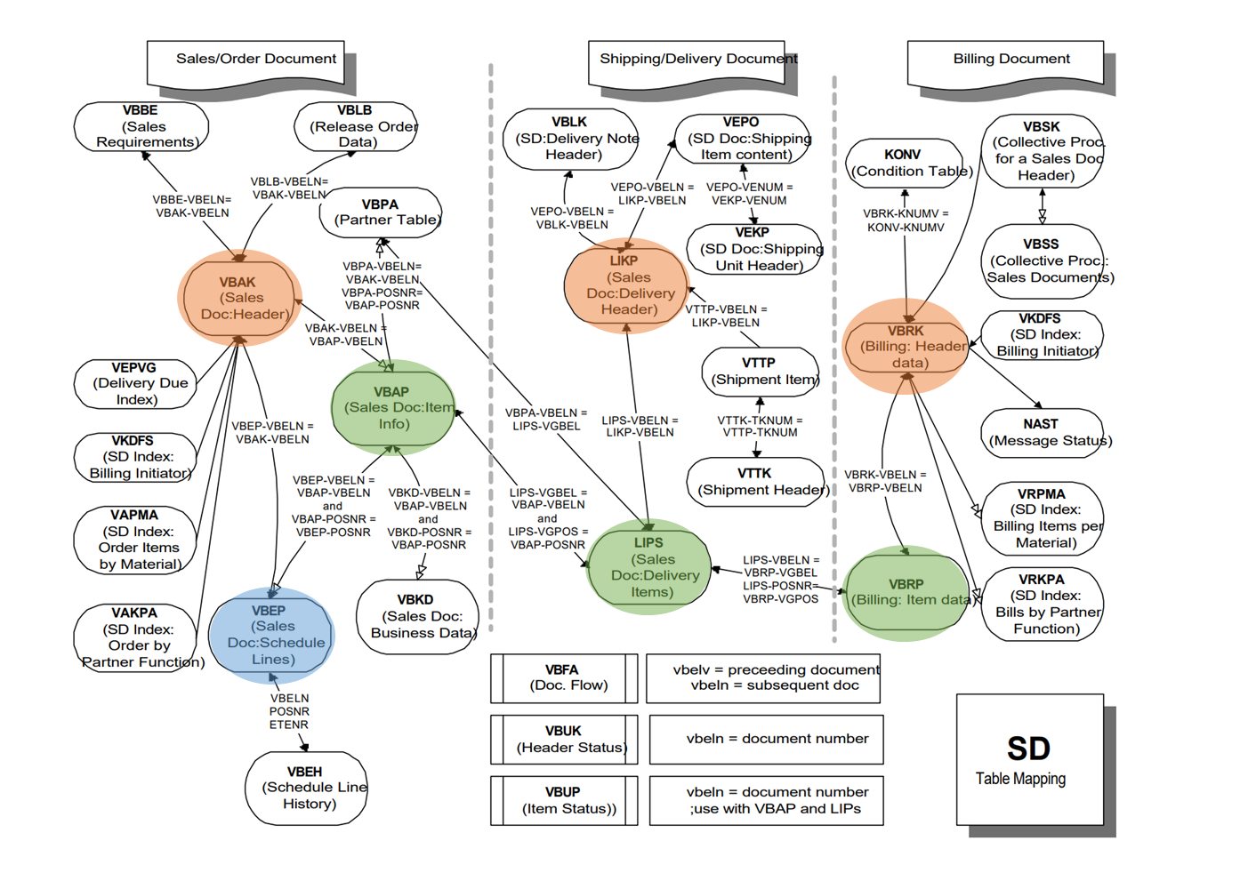
ORDER | VBAK | SALES DOCUMENT: HEADER DATA | VBELN | SALES DOCUMENT
 | VBAP | SALES DOCUMENT: ITEM DATA | VBELN | SALES DOCUMENT
 |  |  | POSNR | SALES DOCUMENT ITEM
 | VBEP | SALES DOCUMENT: SCHEDULE LINE DATA | VBELN | SALES DOCUMENT
 |  |  | POSNR | SALES DOCUMENT ITEM
 |  |  | ETENR | SCHEDULE LINE

DELIVERY | LIKP | SD DOCUMENT: DELIVERY HEADER DATA | VBELN | DELIVERY
 | LIPS | SD DOCUMENT: DELIVERY: ITEM DATA | VBELN | DELIVERY
 |  |  | POSNR | DELIVERY ITEM

BILLING | VBRK | BILLING DOCUMENT: HEADER DATA | VBELN | BILLING DOCUMENT
 | VBRP | BILLING DOCUMENT: ITEM DATA | VBELN | BILLING DOCUMENT
 |  |  | POSNR | BILLING ITEM

